Sheet1
CONCERNS IN PRIMARY CARE |  |  |  |  |  |  |  | Derived from: |  | Test Results | Disease Status
Based on Kaiser data on BHA testing (Kate email from Mar 31, 2025) |  |  |  |  |  |  |  |  |  | Test pos | 79 Memory loss (poten. reversible)
 | Is memory loss and borderline similar or are they really different? |  |  |  |  |  |  |  |  | 659 | 389 MCI
 | Is the distinction between the two groups arbitrary (decision by nurse)? |  |  |  |  |  |  |  | 837 |  | 191 Dementia
 | pre-MCI was a label chosen by Sigal, might be misleading, to be considered |  |  |  |  |  |  |  | Completed BHA
 |  |  |  |  |  |  |  |  |  | Test neg | 59 Borderline
 | (1) if "Memory Loss" and "Borderline" = Disease (Pre-MCI) |  |  |  |  |  |  |  |  | 178 | [119 normal]
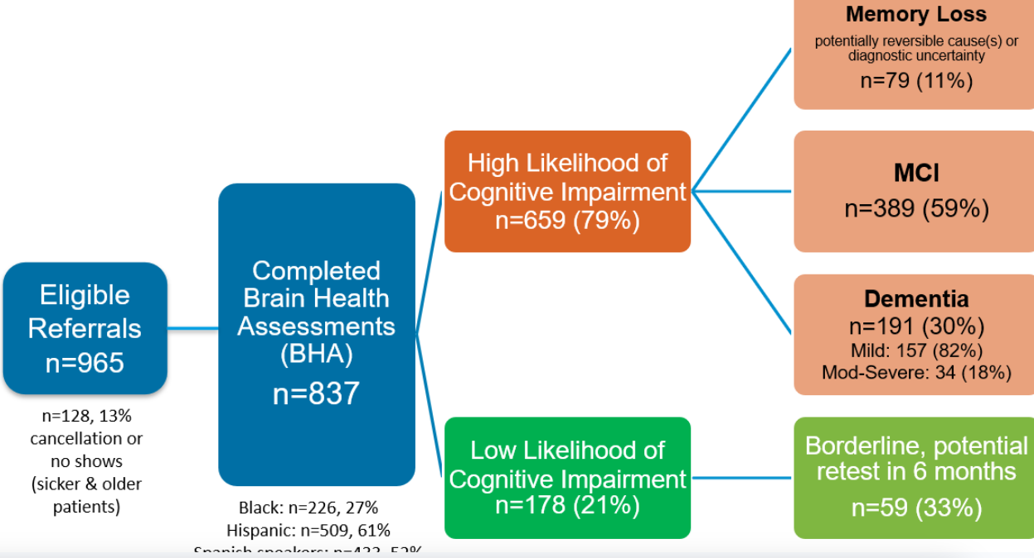
 |  | TRUE DISEASE
 |  | DEM | MCI | pre-MCI | Normal | sum
 | Pos | 191 | 389 | 79 | 0 | 659
 | Neg | 0 | 0 | 59 | 119 | 178
 | sum | 191 | 389 | 138 | 119 | 837
 |  | Sensitivity |  |  | Specificity
 |  | 1.000 | 1.000 | 0.572 | 1.000

 | (2) if "Memory Loss" and "Borderline" ≠ Disease (Pre-MCI)
 |  | TRUE DISEASE
 |  | DEM | MCI | pre-MCI | Normal | sum
 | Pos | 191 | 389 |  | 79 | 659
 | Neg | 0 | 0 |  | 178 | 178
 | sum | 191 | 389 |  | 257 | 837
 |  | Sensitivity |  |  | Specificity
 |  | 1.000 | 1.000 |  | 0.693

 | (3) if "Memory Loss" = and "Borderline" ≠ Disease (Pre-MCI) |  |  |  |  |  |  | Per Kate (meeting on Apr 3):
 |  | TRUE DISEASE |  |  |  |  |  | For the 965 eligibles, what's the denom? Will find out from Kaiser)
 |  | DEM | MCI | pre-MCI | Normal | sum |  | Memory loss: Glad to discover, but some will not progress. For now assume 50-50.
 | Pos | 191 | 389 | 79 |  | 659 |  | Borderline: Half of the people here are false negatives, half are true negatives.
 | Neg | 0 | 0 |  | 178 | 178 |  | RNs are relying on TabCATs for making diagnoses. There's some circularity. We should consider adding some false positives to account for this, perhaps using Elena's sens/spec values).
 | sum | 191 | 389 |  | 178 | 837
 |  | Sensitivity |  |  | Specificity |  |  | To find out:
 |  | 1.000 | 1.000 | 1.000 | 1.000 |  |  | Denominator for eligible referrals
 |  |  |  |  |  |  |  | Of the ppl who completed the AWV question, what % said yes to concerns
 | (4) 50-50 split in both categories (per conversation on April 3) |  |  |  |  |  |  | What is the diagnostic uncertainty in memory loss referring to? Is it uncertainty about cog impairment, or is it uncertainty of the etiology?
 |  | TRUE DISEASE
 |  | DEM | MCI | reversible | Normal | sum
 | Pos | 191 | 428.5 | 39.5 | 0 | 659 | >> | Of the 79 with "memory loss", half have reversible causes, half are MCI
 | Neg | 0 | 14.75 | 14.75 | 148.5 | 178 | >> | "Borderline" group is split 1:1:2 into MCI, reversible, and normal
 | sum | 191 | 443.25 | 54.25 | 148.5 | 837 |  | JGK - see alternative #6 below
 |  | Sensitivity |  |  | Specificity
 |  | 1.000 | 0.967 | 0.728 | 1.000

 | (5) 50-50 split in both categories (per conversation on April 3) + some of the memory loss are FP
 |  | TRUE DISEASE
 |  | DEM | MCI | pre-MCI |  | Normal | sum
 | Pos | 191 | 408.75 | 19.75 |  | 39.5 | 659 | >> | "Memory loss" group is split 1:1:2 into MCI, reversible, normal
 | Neg | 0 | 14.75 | 14.75 |  | 148.5 | 178 | >> | "Borderline" group is split 1:1:2 into MCI, pre-MCI, normal (as above)
 | sum | 191 | 423.5 | 34.5 |  | 188 | 837
 |  | Sensitivity |  |  |  | Specificity
 |  | 1.000 | 0.965 | 0.572 |  | 0.790

 | (6) 50-50 split in both categories (per conversation on April 3) + some of the memory loss are FP, tracking reversible
 |  | TRUE DISEASE
 |  | DEM | MCI | pre-MCI | Reversible | Normal | sum
 | Pos | 166.38 | 389.9225 | 34.2325 | 41.1 | 27.4 | 659 | "Memory loss" group is split 1:1:1.2:0.8 into MCI, pre-MCI, reversible, normal
 | Neg | 0 | 14.75 | 14.75 | 7.4 | 141.1 | 178 | "Borderline" group is split 1:1:0.5:1.5 into MCI, pre-MCI, reversible, normal
 | sum | 166.38 | 404.6725 | 48.9825 | 48.5 | 168.5 | 837
 |  | Sensitivity |  |  |  | Specificity
 |  | 1.000 | 0.964 | 0.699 | 0.848 | 0.837
 |  |  |  | 0.773
 |  |  | 0.927

